Converter Inquiry Celeroton
Converter Inquiry

Date:

Customer information |  | Contact person
Company Name |  | Name
Address |  | E-Mail
ZIP/city |  | Phone
Country

 |  |  |  |  |  | Star connection |  | Delta connection
This document is intended to identify Celeroton converters, which can/might be used for customer motors. Please fill in the requested Motor Parameters and Rated Operating Point (yellow fields).

1. Motor Parameter
Type of motor (PMSM, BLDC):
Phase connection (star or delta):
Pole pairs []:
Phase inductivity Ld [H]:
Phase resistance Rd [Ohm]:
Moment of Inertia [kg/m2]:
PM Flux Linkage [Vs]: |  |  |  |  |  | Amplitude and RMS
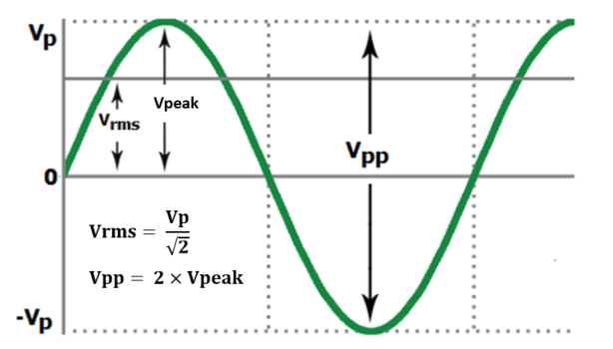
Inducted Voltage Vpol [Vrms]: |  |  | at Speed [rpm]:

2. Rated Operating Point
Rated Speed [rpm]: |  |  | electr. Freq. [Hz]:
Rated Power [W]:
Rated Phase Voltage Vph [Vrms]: |  |  | Vph [Vpeak]:
Rated Phase Current Iph [Arms]: |  |  | Iph [Apeak]
Rated Torque M [Nm]:

Please check if the calculated Motor Constants are consitent with the Data Sheet values. If not, please check Parameters and consider the conversion from rms to peak and phase to phase values.

3. Calculated Motor Constants
PM Flux Linkage [Vs]: |  | PM Fl. missing
Voltage constant ku [Vpol_peak/rpm]: |  |  | Vpol missing
Voltage constant ku [Vpol_rms/rpm]: |  |  | Vpol missing
Voltage constant ku [Vph2ph_rms/rpm]: |  |  | Vpol missing
Speed constant kn [rpm/Vpol_peak]:
Speed constant kn [rpm/Vpol_rms]:
Speed constant kn [rpm/Vph2ph_rms]:
Torque constant kt [Nm/Iph_peak]:
Torque constant kt [Nm/Iph_rms]:

In the table below, the rated Operating Point and available Motor Constants are used to verify the Operating Point of the Motor. Please compare the values below with the rated Operating Point. If there is a signifficant variance between the values, please check the given values.

4. Required Operating Point
 |  | PM Flux missing | PM Flux missing | PM Flux missing | Vpol missing | Vpol missing | Vpol missing
Calculated Shaft Power [W]: |  | Rated Power |  |  | Rated Power
Calculated Vph [Vpeak]: |  |  | Rated Vph |  |  | Rated Vph
Calculated Vph [Vrms]: |  |  | Rated Vph |  |  | Rated Vph
Calculated Vph_ph2ph [Vpeak]: |  |  | Rated Vph |  |  | Rated Vph
Calculated Iph [Apeak]: |  |  |  | Rated Iph |  |  | Rated Iph
Calculated Iph [Arms]: |  |  |  | Rated Iph |  |  | Rated Iph
Calculated Vpol [Vpeak]
Calculated Vpol [Vrms]

 | year 1 | year 2 | year 3 | year 4
5. Estimated quantities

6. Additional information
Application (if not confidential):
Requested number of pieces per year:
Max. available Input voltage (AC or DC):

Other requirements: vibration, max. power input, etc.

